R U.S. County Map for 2017 CHCI
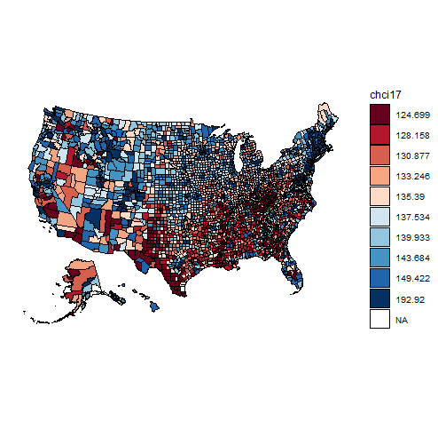

T U.S. County Map for 2017 CHCI
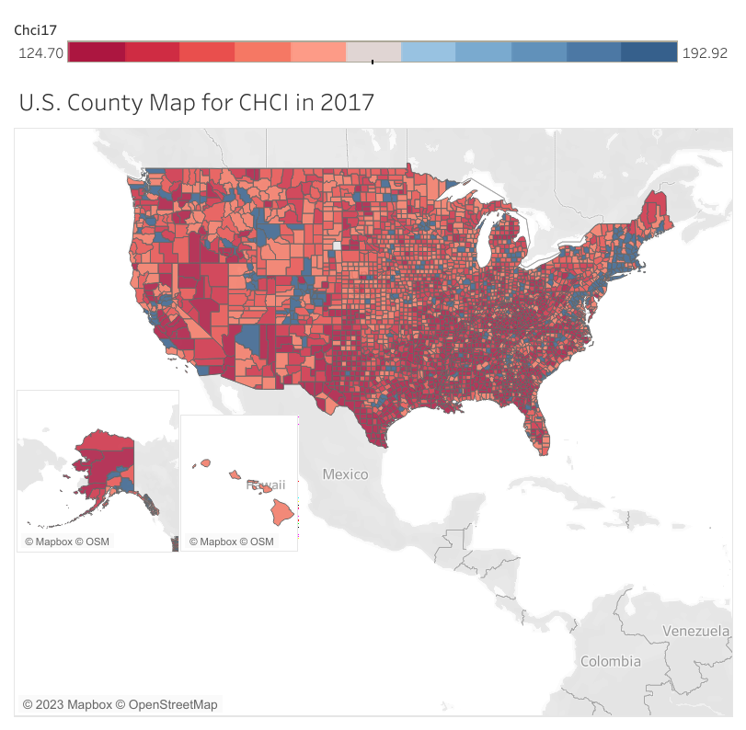
Explanation:
The CHCI 2017 chart displays a mixed picture of CHCI value by county. However, there are a couple of noticable patterns. For example, it appears that there is a high density of low CHCI values in the South and Southeast, which is denoted by the dark red color. There is also an area in the Northeast with high CHCI values, which is denoted by the dark blue color. The West and Norhwest also generally have middle-high values, which can be seen by the density of lighter red/blue colors.

